AS30
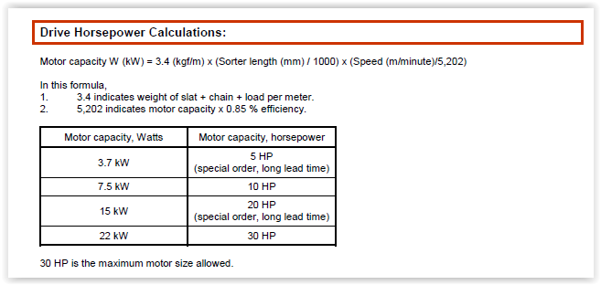
 | Metric | English
Length | 67056 | 220
Speed | 182.87107589 | 600
HP | 8.0147731144 | 10.747810746

